FAI

Customer |  | PO # |  | Date Prepared | 2/13/2026 | First Article Report
Part Name | Clip SPM | Samples | 3 | Prepared by: | Meng
Part Number | 14706-00693 - 89202289 | Inch or mm | mm | Revision | 1
FAI | Type (Diameter Length Position etc.) | Nominal | + Tolerance | - Tolerance | High Limit | Low Limit | Method | Mfg. Sample 1 | Mfg. Sample 2 | Mfg. Sample 3
1 | Length | 14.000 | 0.500 | 0.500 | 14.500 | 13.500 | Caliper | 14.0000 | 14.0000 | 14.0100
2 | Length | 4.400 | 0.500 | 0.500 | 4.900 | 3.900 | Caliper | 4.3600 | 4.3700 | 4.3600
3 | Length | 4.800 | 0.500 | 0.500 | 5.300 | 4.300 | Caliper | 4.8500 | 4.9300 | 4.9000
4 | Length | 4.800 | 0.500 | 0.500 | 5.300 | 4.300 | Caliper | 4.8000 | 4.8500 | 4.9500
5 | Angle | 50.000 | 5.000 | 5.000 | 55.000 | 45.000 | VMM | 51.2690 | 47.2110 | 49.5100
6 | Angle | 3.200 | 5.000 | 5.000 | 8.200 | -1.800 | VMM | 5.6600 | 3.7520 | 0.7540
7 | Angle | 23.000 | 5.000 | 5.000 | 28.000 | 18.000 | VMM | 21.2040 | 21.8430 | 18.6810
8 | Radius | 1.600 | 0.500 | 0.500 | 2.100 | 1.100 | VMM | 1.4580 | 1.4190 | 1.4910
9 | Length | 1.000 | 0.500 | 0.500 | 1.500 | 0.500
10 | Length | 9.000 | 0.500 | 0.500 | 9.500 | 8.500 | Caliper | 9.3300 | 9.3700 | 9.3800
11 | Length | 3.700 | 0.500 | 0.500 | 4.200 | 3.200 | VMM | 3.2580 | 3.3510 | 3.2690
12 | Length | 1.700 | 0.500 | 0.500 | 2.200 | 1.200 | VMM | 1.5160 | 1.5020 | 1.5210
13 | Length | 2.800 | 1.000 | 1.000 | 3.800 | 1.800 | VMM | 1.8620 | 1.8140 | 1.6710
14 | Length | 0.500 | 0.050 | 0.050 | 0.550 | 0.450 | Caliper | 0.5300 | 0.4800 | 0.4900
16 | Angle | 130.000 | 5.000 | 5.000 | 135.000 | 125.000 | VMM | 135.3740 | 137.4130 | 137.6050
17 | Length | 1.300 | 0.500 | 0.500 | 1.800 | 0.800 | Caliper | 1.4500 | 1.4400 | 1.5700
18 | Angle | 80.000 | 5.000 | 5.000 | 85.000 | 75.000 | VMM | 90.2050 | 92.1030 | 94.6920
19 | Length | 4.400 | 0.500 | 0.500 | 4.900 | 3.900 | Caliper | 4.4100 | 4.4100 | 4.4000
20 | Length | 1.000 | 0.500 | 0.500 | 1.500 | 0.500 | Caliper | 1.0700 | 1.1000 | 1.0700
21 | Angle | 135.000 | 5.000 | 5.000 | 140.000 | 130.000 | VMM | 132.6290 | 130.4990 | 128.7260

Print Page 1
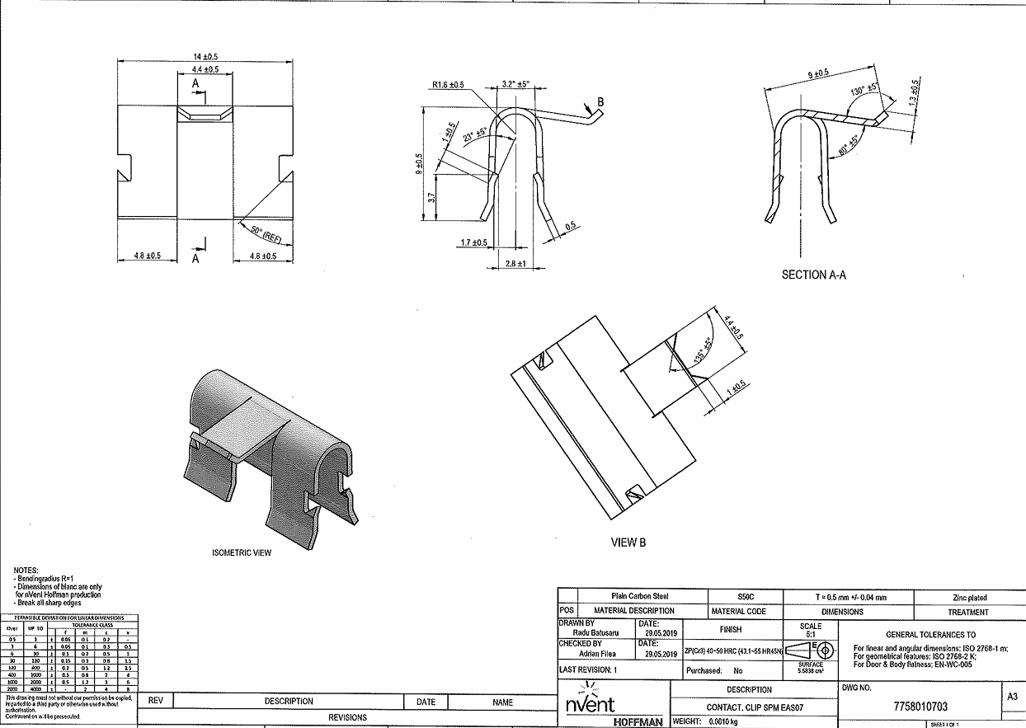
1
2
7
6
15
16
8
17

9

10

11
18
5

12
14
4
19
3
13
21

20

Tolerance Table
